Figures
Figures

Greenhouse gas emission for bonefree pig meat across countries, to farmgate including slaughter, no waste

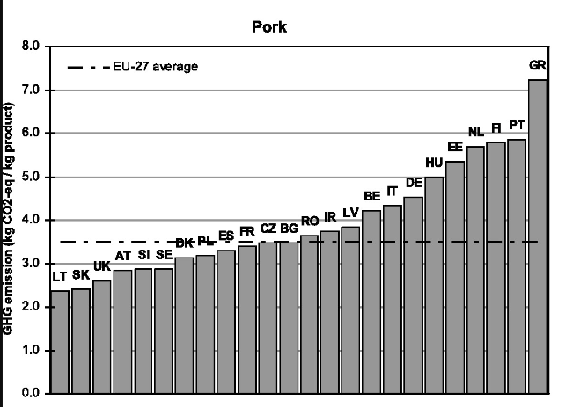
 | Production of mineral fertilizer | Production of capital goods | Emissions from soil | Diesel use field machinary | Energy use for feed processing | Land use change emissions | Feed transports | Enteric fermentation | Manure management | Energy use in stables | Energy use for slaughter | Tot | Order this study: | Order Lesschen:
Greece | 0.47251514284 | 0.16944313463 | 0.33311674367 | 0.25618232289 | 0.26086377107 | 0.33414898303 | 0.27365950269 | 0.28281134244 | 4.519341009 | 0.47188229594 | 1.0878298572 | 8.4617941054 | Greece | Greece
Netherlands | 0.62875327396 | 0.16927802192 | 0.90812541927 | 0.16834636238 | 0.2579226654 | 0.31906062995 | 0.31252892765 | 0.27842870089 | 2.8051528727 | 0.39632618393 | 0.88125366451 | 7.1251767226 | Netherlands | Netherlands
Italy | 0.45474958806 | 0.17024307926 | 0.30297198911 | 0.19600925794 | 0.24040520717 | 0.30478851704 | 0.25183137004 | 0.22438023336 | 2.9613333967 | 0.27218937631 | 0.74559117449 | 6.1244931894 | Italy | Hungary
Germany | 0.69169578574 | 0.17524774107 | 0.78474991169 | 0.18168065076 | 0.26390751109 | 0.2712655949 | 0.28080752318 | 0.28163007429 | 1.7740007082 | 0.38055695984 | 0.83258729603 | 5.9181297568 | Germany | Germany
Poland | 0.62159822762 | 0.17858132524 | 0.7807797456 | 0.26451266306 | 0.31791722691 | 0.22636660099 | 0.19867620049 | 0.28281134244 | 0.65329288378 | 0.64140136831 | 1.5656990656 | 5.7316366501 | Poland | Italy
Spain | 0.62609366365 | 0.1892647054 | 0.4172996109 | 0.28701319735 | 0.24904614302 | 0.3591170619 | 0.30245702033 | 0.29040890457 | 2.1803049722 | 0.28940494117 | 0.56212540959 | 5.75253563 | Spain | Ireland
France | 0.63737686031 | 0.16715521255 | 0.73893686405 | 0.17216528382 | 0.21375332144 | 0.1750626181 | 0.18375083329 | 0.28463898087 | 2.3100127168 | 0.19135993817 | 0.29265188802 | 5.3668645174 | France | France
Hungary | 0.51241986701 | 0.1692571907 | 0.31985717083 | 0.20121631239 | 0.24162020073 | 0.27301428554 | 0.22356717688 | 0.28136403133 | 1.3757456377 | 0.37143362209 | 0.80361469053 | 4.7731101858 | Hungary | Spain
Ireland | 0.50221124254 | 0.15797579144 | 0.71205057609 | 0.16440475776 | 0.22842458982 | 0.28758244642 | 0.26674907297 | 0.28139873433 | 0.62232910608 | 0.33760761901 | 0.71434305961 | 4.2750769961 | Ireland | Poland
Denmark | 0.46723393607 | 0.16000250641 | 0.95769223644 | 0.17201428431 | 0.21941666641 | 0.076417362568 | 0.080333613126 | 0.28131564401 | 0.66756856039 | 0.33407852519 | 0.69072183656 | 4.1067951715 | Denmark | Denmark
Sweden | 0.44049117046 | 0.16629496002 | 0.90657945429 | 0.22864812706 | 0.20368253965 | 0.079221402671 | 0.077443604441 | 0.28143916064 | 0.68869363025 | 0.109567468 | 0.28752681656 | 3.469588334 | Sweden | Sweden

 |  |  |  |  |  |  |  |  |  |  |  |  | Explanation:
 |  |  |  |  |  |  |  |  |  |  |  |  | - We include slaugthering that gives a high value for Poland
 |  |  |  |  |  |  |  |  |  |  |  |  | - Ireland has only liquid manure and a low MCF
 |  |  |  |  |  |  |  |  |  |  |  |  | - Italy has also only liquid manure but a much higher MCF
 |  |  |  |  |  |  |  |  |  |  |  |  | - France and Greece also has very high MCF
 |  |  |  |  |  |  |  |  |  |  |  |  | - Hungary (and Italy, Spain, Greece) has low emissions from feed because of lower N2O-factors (dry climate)

Water use

Denmark | 0.34945446777
France | 0.47801158608
Germany | 0.35489832799
Greece | 0.38101451542
Hungary | 0.34634087787
Ireland | 0.3340034804
Italy | 0.68514742122
Netherlands | 0.47153216235
Poland | 0.346216159
Spain | 1.2637785927
Sweden | 0.33340768901

Parameters, country spec
Production parameters and emission factors, country specific
 | DK | FR | DE | GR | HU | IE | IT | NL | PL | ES | SE
Production parameters | Denmark | France | Germany | Greece | Hungary | Ireland | Italy | Netherlands | Poland | Spain | Sweden | Sources:
Time of fattening phase, days | 110 | 110 | 110 | 110 | 110 | 110 | 200 | 110 | 110 | 110 | 110 | Zira et al. 2023, 6 months, for all except Italy (9 months), Bava et al 2017
Mortality fattening pigs, % | 3.7 | 3.8 | 2.7 | 3.0 | 3.0 | 2.4 | 2.4 | 2.2 | 3.0 | 4.5 | 1.8 | See tab "Mortality & FCR"
Rejection after slaughter, % | 0.29 | 0.29 | 0.29 | 0.29 | 0.29 | 0.29 | 0.29 | 0.29 | 0.29 | 0.29 | 0.29 | Röös et al. 2016 - unclear original source! Kolla Ingrids rapport
Meat yield, kg bonefree meat per CW | 0.59 | 0.59 | 0.59 | 0.59 | 0.59 | 0.59 | 0.59 | 0.59 | 0.59 | 0.59 | 0.59 | Clune et al. 2017
Meat yield, kg CW per fattening pig | 91.6 | 91.6 | 91.6 | 91.6 | 91.6 | 91.6 | 118.1 | 91.6 | 91.6 | 91.6 | 91.6 | Landquist et al. 2020, p. 11, for all except Italy, Bava et al 2017
Meat yield, kg CW per sow | 179.5 | 179.5 | 179.5 | 179.5 | 179.5 | 179.5 | 179.5 | 179.5 | 179.5 | 179.5 | 179.5 | Landquist et al. 2020, p. 11
Offal yield, kg edible per animal | 1.4 | 1.4 | 1.4 | 1.4 | 1.4 | 1.4 | 1.8 | 1.4 | 1.4 | 1.4 | 1.4 | Kolla Ingrids rapport | https://www.fao.org/3/I8686EN/i8686en.pdf
Recruitment rate, % | 55.0 | 55.0 | 55.0 | 55.0 | 55.0 | 55.0 | 55.0 | 55.0 | 55.0 | 55.0 | 55.0 | Landquist et al. 2020, p. 11
Liveborn piglets per sow and year | 40.1 | 35.3 | 35.7 | 34.6 | 34.8 | 33.3 | 29.4 | 36.5 | 34.6 | 32.6 | 33.5
Time in piglet system, days | 70 | 70 | 70 | 70 | 70 | 70 | 70 | 70 | 70 | 70 | 70 | Zira et al. 2023, 10 weeks | Swedish data used for all
Mortality piglets, % of born | 19.0 | 17.4 | 18.1 | 16.8 | 13.1 | 13.8 | 16.6 | 14.5 | 16.8 | 19.8 | 18.9 | See tab "Mortality & FCR"
Living piglets at weaning per sow and year | 32.5 | 29.2 | 29.3 | 28.8 | 30.2 | 28.7 | 24.5 | 31.2 | 28.8 | 26.1 | 27.2
Boars per sow, no | 0.01 | 0.01 | 0.01 | 0.01 | 0.01 | 0.01 | 0.01 | 0.01 | 0.01 | 0.01 | 0.01 | Calculated based on national statistics as in Moberg et al. 2019
Mortality parents, % | 3.4 | 3.4 | 3.4 | 3.4 | 3.4 | 3.4 | 3.4 | 3.4 | 3.4 | 3.4 | 3.4 | Landquist et al. 2020, p. 11
 | 22.7 | 21.1 | 20.8 | 19.8 | 16.1 | 16.2 | 19.0 | 16.8 | 19.8 | 24.3 | 20.7
Share of feed ingredients breeding (%)
Barley, average | 0.354 | 0.130 | 0.115 | 0.141 | 0.077 | 0.308 | 0.067 | 0.087 | 0.163 | 0.220 | 0.262 | CAPRI-diets from Karlsson et al. for all countries except Sweden, see "Livestock feed.xlsx", tab Pigs breeding
Maize (corn) | 0.021 | 0.213 | 0.172 | 0.420 | 0.456 | 0.085 | 0.440 | 0.263 | 0.224 | 0.290 | 0.003 | Sweden: Landquist et al. 2020. Bilaga 1, shares calculated in "Livestock feed.xlsx", tab Swedish pig
Oats | 0.006 | 0.015 | 0.000 | 0.038 | 0.041 | 0.018 | 0.014 | 0.003 | 0.005 | 0.034 | 0.045
Rye | 0.004 | 0.002 | 0.019 | 0.008 | 0.016 | 0.000 | 0.001 | 0.011 | 0.064 | 0.009 | 0.028
Wheat, average | 0.365 | 0.316 | 0.385 | 0.006 | 0.072 | 0.132 | 0.064 | 0.296 | 0.257 | 0.187 | 0.327
Peas, dry | 0.001 | 0.000 | 0.001 | 0.001 | 0.002 | 0.001 | 0.003 | 0.000 | 0.004 | 0.007 | 0.005
Broad beans and horse beans, dry | 0.001 | 0.000 | 0.001 | 0.001 | 0.002 | 0.001 | 0.003 | 0.000 | 0.004 | 0.007 | 0.056
Rape seed cake | 0.054 | 0.094 | 0.134 | 0.001 | 0.001 | 0.072 | 0.006 | 0.123 | 0.031 | 0.020 | 0.030
Soy cake | 0.134 | 0.085 | 0.129 | 0.161 | 0.132 | 0.137 | 0.139 | 0.158 | 0.109 | 0.167 | 0.039
By-products | 0.022 | 0.078 | 0.026 | 0.101 | 0.104 | 0.135 | 0.146 | 0.017 | 0.053 | 0.026 | 0.112
Other | 0.039 | 0.067 | 0.017 | 0.122 | 0.098 | 0.111 | 0.117 | 0.042 | 0.086 | 0.033 | 0.094

Cereals | 0.75 | 0.68 | 0.69 | 0.61 | 0.66 | 0.54 | 0.59 | 0.66 | 0.71 | 0.74 | 0.66

Share of feed ingredients fattening (%)
Barley, average | 0.377 | 0.125 | 0.121 | 0.092 | 0.083 | 0.329 | 0.079 | 0.095 | 0.152 | 0.238 | 0.262 | CAPRI-diets from Karlsson et al. for all countries except Sweden, see "Livestock feed.xlsx", tab Pigs fattening
Maize (corn) | 0.023 | 0.205 | 0.180 | 0.275 | 0.492 | 0.091 | 0.518 | 0.285 | 0.209 | 0.314 | 0.003 | Sweden: Landquist et al. 2020. Bilaga 1, shares calculated in "Livestock feed.xlsx", tab Swedish pig, using same for fattening and breeding
Oats | 0.006 | 0.014 | 0.000 | 0.025 | 0.044 | 0.019 | 0.016 | 0.003 | 0.005 | 0.037 | 0.045
Rye | 0.005 | 0.002 | 0.020 | 0.006 | 0.017 | 0.000 | 0.001 | 0.012 | 0.060 | 0.010 | 0.028
Wheat, average | 0.389 | 0.304 | 0.404 | 0.004 | 0.078 | 0.141 | 0.075 | 0.321 | 0.240 | 0.202 | 0.327
Peas, dry | 0.001 | 0.000 | 0.001 | 0.001 | 0.001 | 0.001 | 0.002 | 0.000 | 0.003 | 0.005 | 0.005
Broad beans and horse beans, dry | 0.001 | 0.000 | 0.001 | 0.000 | 0.001 | 0.001 | 0.002 | 0.000 | 0.003 | 0.005 | 0.056
Rape seed cake | 0.039 | 0.057 | 0.093 | 0.001 | 0.000 | 0.058 | 0.004 | 0.092 | 0.019 | 0.014 | 0.030
Soy cake | 0.096 | 0.051 | 0.089 | 0.097 | 0.092 | 0.111 | 0.097 | 0.119 | 0.065 | 0.123 | 0.039
By-products | 0.020 | 0.154 | 0.069 | 0.242 | 0.092 | 0.109 | 0.102 | 0.013 | 0.108 | 0.021 | 0.112
Other | 0.044 | 0.088 | 0.022 | 0.257 | 0.099 | 0.140 | 0.103 | 0.060 | 0.139 | 0.031 | 0.094

Cereals | 0.80 | 0.65 | 0.72 | 0.40 | 0.71 | 0.58 | 0.69 | 0.72 | 0.66 | 0.80 | 0.66

Share of feed ingredients, weighted average breeding and fattening (%) | Denmark | France | Germany | Greece | Hungary | Ireland | Italy | Netherlands | Poland | Spain | Sweden
Barley, average | 0.371 | 0.126 | 0.120 | 0.104 | 0.081 | 0.324 | 0.077 | 0.093 | 0.155 | 0.234 | 0.262
Maize (corn) | 0.022 | 0.207 | 0.178 | 0.310 | 0.483 | 0.089 | 0.501 | 0.279 | 0.212 | 0.309 | 0.003
Oats | 0.006 | 0.014 | 0.000 | 0.028 | 0.044 | 0.019 | 0.016 | 0.003 | 0.005 | 0.037 | 0.045
Rye | 0.005 | 0.002 | 0.020 | 0.006 | 0.017 | 0.000 | 0.001 | 0.012 | 0.061 | 0.010 | 0.028
Wheat, average | 0.382 | 0.307 | 0.400 | 0.004 | 0.076 | 0.139 | 0.073 | 0.315 | 0.244 | 0.198 | 0.327
Peas, dry | 0.001 | 0.000 | 0.001 | 0.001 | 0.001 | 0.001 | 0.003 | 0.000 | 0.003 | 0.005 | 0.005
Broad beans and horse beans, dry | 0.001 | 0.000 | 0.001 | 0.001 | 0.001 | 0.001 | 0.002 | 0.000 | 0.003 | 0.005 | 0.056
Rape seed cake | 0.043 | 0.066 | 0.102 | 0.001 | 0.001 | 0.061 | 0.004 | 0.100 | 0.022 | 0.016 | 0.030
Soy cake | 0.106 | 0.059 | 0.098 | 0.112 | 0.102 | 0.117 | 0.106 | 0.129 | 0.075 | 0.133 | 0.039
By-products | 0.021 | 0.135 | 0.059 | 0.209 | 0.095 | 0.115 | 0.112 | 0.014 | 0.095 | 0.022 | 0.112
Other | 0.043 | 0.083 | 0.021 | 0.225 | 0.099 | 0.133 | 0.106 | 0.056 | 0.126 | 0.031 | 0.094

Cereals | 0.79 | 0.66 | 0.72 | 0.45 | 0.70 | 0.57 | 0.67 | 0.70 | 0.68 | 0.79 | 0.66

Feed requirement |  |  |  |  |  |  |  |  |  |  |  | Source: | Comment:
Sows, kg per year | 1360 | 1400 | 1440 | 1420 | 1420 | 1440 | 1880 | 1400 | 1420 | 1420 | 1400 | Zira et al. 2023, Table 2 for Sweden, adjusted for other countries based on data in the international report (see tab Mortality & FCR)
Recruitment sows, kg per animal | 699 | 720 | 741 | 730 | 730 | 741 | 967 | 720 | 730 | 730 | 720 | Zira et al. 2023, Table 2 for Sweden, adjusted for other countries based on data in the international report (see tab Mortality & FCR)
Boars, kg per year | 699 | 720 | 741 | 730 | 730 | 741 | 967 | 720 | 730 | 730 | 720 | Zira et al. 2023, Table 2 for Sweden, adjusted for other countries based on data in the international report (see tab Mortality & FCR)
Fattening pigs, kg per animal | 253 | 260 | 267 | 264 | 264 | 267 | 349 | 260 | 264 | 264 | 260 | Zira et al. 2023, Table 2 for Sweden, adjusted for other countries based on data in the international report (see tab Mortality & FCR)
Piglets, kg per animal | 34 | 35 | 36 | 36 | 36 | 36 | 47 | 35 | 36 | 36 | 35 | Zira et al. 2023, Table 2 for Sweden, adjusted for other countries based on data in the international report (see tab Mortality & FCR)
Feed conversion, kg per kg bonefree including parents and losses | 6.2 | 6.5 | 6.6 | 6.6 | 6.5 | 6.6 | 6.9 | 6.3 | 6.6 | 6.8 | 6.4
Share fattening pigs | 0.7 | 0.8 | 0.8 | 0.8 | 0.8 | 0.8 | 0.8 | 0.7 | 0.8 | 0.8 | 0.7

Enteric fermentation
Methane enteric fermentation, kg CH4 per animal and year | 1.5 | 1.5 | 1.5 | 1.5 | 1.5 | 1.5 | 1.5 | 1.5 | 1.5 | 1.5 | 1.5

Energy use in stables
Energy use per fattening pig, kWh per animal | 0.4 | 0.4 | 0.4 | 0.4 | 0.4 | 0.4 | 0.4 | 0.4 | 0.4 | 0.4 | 0.4 | Landquist et al. 2020, p.11
Energy use per piglet, kWh per animal | 50 | 50 | 50 | 50 | 50 | 50 | 50 | 50 | 50 | 50 | 50 | Landquist et al. 2020, p.11
Total energy use, kWh per kg bonefree meat&offal | 0.95 | 0.95 | 0.94 | 0.95 | 0.95 | 0.94 | 0.73 | 0.94 | 0.95 | 0.96 | 0.93
Share non electricity | 0.7 | 0.7 | 0.7 | 0.7 | 0.7 | 0.7 | 0.7 | 0.7 | 0.7 | 0.7 | 0.7 | Approximated from Table 6 in Landquist et al. 2020
Share biofuels for non-electricity | 0.6 | 0.6 | 0.6 | 0.6 | 0.6 | 0.6 | 0.6 | 0.6 | 0.6 | 0.6 | 0.6 | Approximated from Table 6 in Landquist et al. 2020

Energy use at slaughter
Electricity, kWh/kg CW | 0.8 | 0.8 | 0.8 | 0.8 | 0.8 | 0.8 | 0.8 | 0.8 | 0.8 | 0.8 | 0.8 | Edström et al. 2005, retrieved from Moberg et al. 2019
Heating oil, kWh/kg CW | 0.32 | 0.32 | 0.32 | 0.32 | 0.32 | 0.32 | 0.32 | 0.32 | 0.32 | 0.32 | 0.32

Emission factors electricity
Electricity, kg CO2e/kWh | 0.386 | 0.095 | 0.490 | 0.678 | 0.470 | 0.405 | 0.427 | 0.527 | 1.032 | 0.293 | 0.092 | ecoinvent; market for electricity, low voltage
Electricity, kg CO2/kWh | 0.371 | 0.0871 | 0.464 | 0.640 | 0.437 | 0.392 | 0.378 | 0.497 | 0.975 | 0.268 | 0.088
Electricity, kg CH4/kWh | 0.00051 | 0.00027 | 0.00089 | 0.00127 | 0.00110 | 0.00042 | 0.00164 | 0.00098 | 0.00188 | 0.00083 | 0.00010
Electricity, kg N2O/kWh | 1.9E-05 | 8.2E-06 | 2.1E-05 | 2.2E-05 | 1.5E-05 | 1.4E-05 | 1.6E-05 | 2.0E-05 | 1.8E-05 | 1.2E-05 | 8.2E-06

Emission factors changes in SOC and LUC
Soil carbon loss, kg CO2e/feed | 0.19 | 0.19 | 0.19 | 0.19 | 0.19 | 0.19 | 0.19 | 0.19 | 0.19 | 0.19 | 0.19 | Moberg et al. 2019

Emission from the production of mineral fertilisers (kg)
Fraction BAT | 0.6 | 0.3 | 0.3 | 0.3 | 0.3 | 0.3 | 0.3 | 0.3 | 0.3 | 0.3 | 0.6 | Moberg et al. 2019
Fraction AN | 0.4 | 0.7 | 0.7 | 0.7 | 0.7 | 0.7 | 0.7 | 0.7 | 0.7 | 0.7 | 0.4

Emission factors N2O from soil
Direct emissions from mineral fertiliser | 0.016 | 0.016 | 0.016 | 0.016 | 0.016 | 0.016 | 0.016 | 0.016 | 0.016 | 0.016 | 0.016
Direct emissions from manure | 0.006 | 0.006 | 0.006 | 0.006 | 0.006 | 0.006 | 0.006 | 0.006 | 0.006 | 0.006 | 0.006
Difference in emission factor min. fert - manure | 0.010 | 0.010 | 0.010 | 0.010 | 0.010 | 0.010 | 0.010 | 0.010 | 0.010 | 0.010 | 0.010
Indirect emissions, share of direct emissions | 0.10 | 0.10 | 0.10 | 0.10 | 0.10 | 0.10 | 0.10 | 0.10 | 0.10 | 0.10 | 0.10

Manure replacement factor
Manure replacement factor | 0.5 | 0.5 | 0.5 | 0.5 | 0.5 | 0.5 | 0.5 | 0.5 | 0.5 | 0.5 | 0.5 | Based on växttillgängligt kväve
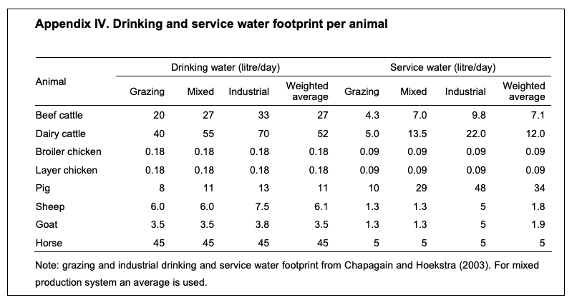
Water use
Drinking, l per animal, per day | 13 | 13 | 13 | 13 | 13 | 13 | 13 | 13 | 13 | 13 | 13 | Mekonnen and Hoekstra (2012)
Service, l per animal, per day | 48 | 48 | 48 | 48 | 48 | 48 | 48 | 48 | 48 | 48 | 48
Total water use drinking and service, m3 per kg of bonefree meat | 0.22 | 0.22 | 0.22 | 0.22 | 0.22 | 0.22 | 0.17 | 0.22 | 0.22 | 0.23 | 0.22

Labour requirements
Labour requirements, h tot in production | 47 | 66 | 75 | 49 | 220 | 141 | 61 | 94 | 224 | 20 | 42

* approx with Greece

Off-farm feed
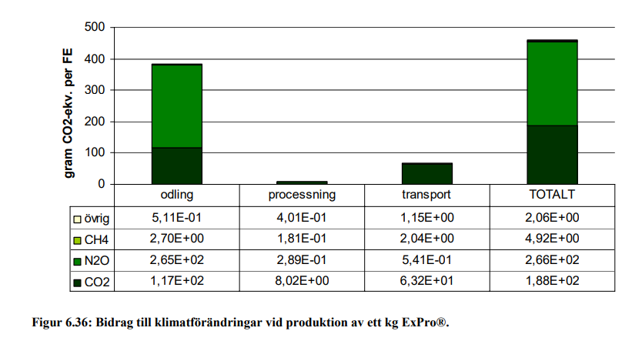
Off-farm feed

Soy bean meal

Greenhouse gas emissons:

Crops |  |  |  | Sum | Inputs |  | Soil emissions |  | Energy use |  |  |  | Land use change | Feed processing | Transports
Code | Crops | Gas | Cultivated in country |  | Production of mineral fertilizer | Production of capital goods | Direct emissions | Indirect emissions | Diesel use field mach | Energy use in greenhouses | Energy use for irrigation | Energy use for post-harvest proc | LUC emissions |  |  | Source LUC:
0141 | Soya beans | CO2e | Brazil | 0.976 | 0.006 | 0.030 | 0.043 | 0.004 | 0.052 | 0.000 | 0.000 | 0.040 | 0.801 | 0.000 | 0.000 | Pendrill et al. 2022
0141 | Soya beans | CO2 | Brazil | 0.921 | 0.004 | 0.027 | 0.000 |  | 0.051 |  | 0.000 | 0.038 | 0.80
0141 | Soya beans | CH4, fossil | Brazil | 0.000 | 0.000 | 0.000 |  |  | 0.000 |  | 0.000 | 0.000
0141 | Soya beans | CH4, bio | Brazil | 0.000
0141 | Soya beans | N2O | Brazil | 0.000 | 0.000 | 0.000 | 0.000 | 0.000 | 0.000 |  | 0.000 | 0.000

0141 | Soya beans | CO2e | Argentina | 0.208 | 0.024 | 0.030 | 0.049 | 0.005 | 0.059 | 0.000 | 0.000 | 0.040 | 0.001 | 0.000 | 0.000 | Pendrill et al. 2022
0141 | Soya beans | CO2 | Argentina | 0.139 | 0.015 | 0.027 | 0.000 |  | 0.058 |  | 0.000 | 0.038 | 0.00054
0141 | Soya beans | CH4, fossil | Argentina | 0.000 | 0.000 | 0.000 |  |  | 0.000 |  | 0.000 | 0.000
0141 | Soya beans | CH4, bio | Argentina | 0.000
0141 | Soya beans | N2O | Argentina | 0.000 | 0.000 | 0.000 | 0.000 | 0.000 | 0.000 |  | 0.000 | 0.000

0141_m | Soy bean meal | CO2e | Brazil, Argentina | 0.772 | 0.012 | 0.024 | 0.036 | 0.004 | 0.044 | 0.000 | 0.000 | 0.031 | 0.318 | 0.043 | 0.260
0141_m | Soy bean meal | CO2 | Brazil, Argentina | 0.706 | 0.007 | 0.021 | 0.000 |  | 0.043 |  | 0.000 | 0.030 | 0.318 | 0.035 | 0.251 | Flysjö et al. 2008, Figur 6.35
0141_m | Soy bean meal | CH4, fossil | Brazil, Argentina | 0.000 | 0.000 | 0.000 |  |  | 0.000 |  | 0.000 | 0.000 |  | 0.000 | 0.000 | Flysjö et al. 2008, Figur 6.35, divided by GWP-factor used in report, Tabell 5.1
0141_m | Soy bean meal | CH4, bio | Brazil, Argentina | 0.000
0141_m | Soy bean meal | N2O | Brazil, Argentina | 0.000 | 0.000 | 0.000 | 0.00013 | 0.000 | 0.000 |  | 0.000 | 0.000 |  | 0.000 | 0.000 | Flysjö et al. 2008, Figur 6.35, divided by GWP-factor used in report, Tabell 5.1

Other footprints:

Crops |  |  |  |  | Land | Nitrogen | Phosphorus | Water | Pesticides | Biodiversity | Ammonia
Code | Crops | Categories | Country | Country code | Cropland use, m2/kg | N application, kg N/kg | P application, kg P/kg | Blue freshwater use, m3/kg | Pesticide use, g a.i./kg | Extinction rate, E/MSY/kg | Ammonia emission, kg NH3/kg
0141 | Soya beans | Pulses | Brazil | BR | 2.9987165493 | 0.075567657043 | 0.0065971764085 | 0.001 | 0.33775822795 | 1.2385238539E-09 | 5.4691734366E-05
0141 | Soya beans | Pulses | Argentina | AR | 3.4374419932 | 0.031968210536 | 0.0017187209966 | 0.005 | 0.31624466337 | 3.0554768594E-10 | 0.00020897792027

0141_m | Soy bean meal | Feed | Brazil, Argentina |  | 2.55 | 0.04 | 0.0033 | 0.0024 | 0.26 | 6.12E-10 | 1.05E-04

Parameters for soy
Soy meal in 1 kg soy bean |  | 0.82 |  |  |  |  |  |  |  |  |  |  |  |  |  | Flysjö et al. 2008, Tabell 4.24
Economic allocation factor meal |  | 0.65 |  |  |  |  |  |  |  |  |  |  |  |  |  | Flysjö et al. 2008, Tabell 4.24

Energy use processing:
Electricity |  | 0.166 | MJ per kg soy beans processed |  |  | Share electricity: |  | 0.15 |  |  |  |  |  |  |  | Flysjö et al. 2008
Biomass |  | 0.973 | MJ per kg soy beans processed |  |  |  |  |  |  |  |  |  |  |  |  | Flysjö et al. 2008

Assuming half of soy from Brazil and the other half from Argentina. |  |  |  |  |  |  |  |  |  |  |  |  |  |  |  | https://www.fediol.eu/data/Where%20does%20soy%20come%20from.pdf

Rape seed meal

Greenhouse gas emissons:

Crops |  |  |  | Sum | Inputs |  | Soil emissions |  | Energy use |  |  |  | Land use change | Feed processing | Transports
Code | Crops | Gas | Cultivated in country |  | Production of mineral fertilizer | Production of capital goods | Direct emissions | Indirect emissions | Diesel use field mach | Energy use in greenhouses | Energy use for irrigation | Energy use for post-harvest proc | LUC emissions
01443 | Rape or colza seed, average | CO2e | France | 0.867 | 0.450 | 0.030 | 0.242 | 0.024 | 0.050 | 0.000 | 0.001 | 0.069 | 0.000 | 0.000 | 0.000
01443 | Rape or colza seed, average | CO2 | France | 0.474 | 0.330 | 0.027 | 0.000 |  | 0.049 |  | 0.001 | 0.068
01443 | Rape or colza seed, average | CH4, fossil | France | 0.000 | 3.5E-04 | 9.5E-05 |  |  | 2.2E-05 |  | 3.3E-06 | 3.0E-05
01443 | Rape or colza seed, average | CH4, bio | France | 0.000
01443 | Rape or colza seed, average | N2O | France | 0.001 | 4.0E-04 | 1.1E-06 | 8.9E-04 | 8.9E-05 | 1.3E-06 |  | 4.0E-08 | 2.5E-06

01443 | Rape or colza seed, average | CO2e | Germany | 0.725 | 0.303 | 0.030 | 0.242 | 0.024 | 0.049 | 0.000 | 0.000 | 0.077 | 0.000 | 0.000 | 0.000
01443 | Rape or colza seed, average | CO2 | Germany | 0.333 | 0.182 | 0.027 | 0.000 |  | 0.048 |  | 0.000 | 0.075
01443 | Rape or colza seed, average | CH4, fossil | Germany | 0.001 | 3.5E-04 | 9.5E-05 |  |  | 2.1E-05 |  | 5.0E-07 | 4.3E-05
01443 | Rape or colza seed, average | CH4, bio | Germany | 0.000
01443 | Rape or colza seed, average | N2O | Germany | 0.001 | 4.0E-04 | 1.1E-06 | 8.9E-04 | 8.9E-05 | 1.3E-06 |  | 6.2E-09 | 2.8E-06

01443 | Rape or colza seed, average | CO2e | Poland | 0.745 | 0.303 | 0.030 | 0.242 | 0.024 | 0.058 | 0.000 | 0.000 | 0.088 |  | 0.000 | 0.000
01443 | Rape or colza seed, average | CO2 | Poland | 0.352 | 0.182 | 0.027 | 0.000 |  | 0.057 |  | 0.000 | 0.086
01443 | Rape or colza seed, average | CH4, fossil | Poland | 0.001 | 0.000 | 0.000 |  |  | 0.000 |  | 0.000 | 0.000
01443 | Rape or colza seed, average | CH4, bio | Poland | 0.000
01443 | Rape or colza seed, average | N2O | Poland | 0.001 | 0.000 | 0.000 | 8.856E-04 | 0.000 | 0.000 |  | 0.000 | 0.000

01443_m | Rape seed meal | CO2e | France, Germany, Poland | 0.466 | 0.170 | 0.015 | 0.117 | 0.012 | 0.025 |  | 0.000 | 0.038 |  | 0.024 | 0.066 | Source transports:
01443_m | Rape seed meal | CO2 | France, Germany, Poland | 0.271 | 0.112 | 0.013 | 0.000 |  | 0.025 |  | 0.000 | 0.037 |  | 0.021 | 0.063 | Flysjö et al. 2008, Figur 6.36
01443_m | Rape seed meal | CH4, fossil | France, Germany, Poland | 0.000 | 0.000 | 0.000 |  |  | 0.000 |  | 0.000 | 0.000 |  | 0.000 | 0.000 | Flysjö et al. 2008, Figur 6.36, divided by GWP-factor used in report, Tabell 5.1
01443_m | Rape seed meal | CH4, bio | France, Germany, Poland | 0.000
01443_m | Rape seed meal | N2O | France, Germany, Poland | 0.001 | 0.000 | 0.000 | 0.0004 | 0.00004 | 0.000 |  | 0.000 | 0.000 |  | 0.000 | 0.000 | Flysjö et al. 2008, Figur 6.36, divided by GWP-factor used in report, Tabell 5.1

Other footprints:

Crops |  |  |  |  | Land | Nitrogen | Phosphorus | Water | Pesticides | Biodiversity | Ammonia
Code | Crops | Categories | Country | Country code | Cropland use, m2/kg | N application, kg N/kg | P application, kg P/kg | Blue freshwater use, m3/kg | Pesticide use, g a.i./kg | Extinction rate, E/MSY/kg | Ammonia emission, kg NH3/kg
01443_m | Rape seed meal | Feed | France | FR | 3.0504172971 | 0.08516801854 | 0.0092699884125 | 0.013 | 0.66988842289 | 8.7948296566E-10 | 0.0051777558498
01443_m | Rape seed meal | Feed | Germany | DE | 2.9846291598 | 0.08516801854 | 0.0092699884125 | 0.002 | 0.49457909999 | 8.6318221923E-11 | 0.0051777558498
01443_m | Rape seed meal | Feed | Poland | PL | 3.5333691381 | 0.08516801854 | 0.0092699884125 | 0.001 | 0.66057946683 | 1.3877157734E-10 | 0.0051777558498

01443_m | Rape seed meal | Feed | France, Germany, Poland |  | 1.54 | 0.04 | 0.0045 | 0.0026 | 0.29 | 1.78E-10 | 2.50E-03

Parameters for rape seed
Rape meal in 1 kg rape seed |  | 0.58 |  |  |  |  |  |  |  |  |  |  |  |  |  | Flysjö et al. 2008
Economic allocation factor meal |  | 0.28 |  |  |  |  |  |  |  |  |  |  |  |  |  | Flysjö et al. 2008

Energy use processing:
Electricity |  | 0.13 | MJ per kg rape seed processed |  |  |  |  |  |  |  |  |  |  |  |  | Flysjö et al. 2008, p. 45, using share of electricity as for soy because ratio between electricity and gas/biofuels not stated
Biomass |  | 0.78 | MJ per kg rape seed processed

Using the three largest rapeseed countries and taking an average of these. |  |  |  |  |  |  |  |  |  |  |  |  |  |  |  | https://projects.luke.fi/ruokafakta/en/field-crops/rapeseed-production-volumes/#:~:text=The%20largest%20producers%20are%20France,Germany%2C%20with%203.7%20billion%20kilos.

Verification

 | This study | Flysjö et al. 2008
Cultivation | 0.376 | 0.385 | Slightly different because in this study we use a mix of three countries, Flysjö only Sweden
Processing | 0.024 | 0.009 | Slightly higher because of electricity mix from the three countries
Transport | 0.066 | 0.067 | Slightly different because of different GWP-factors
Total | 0.466 | 0.461

Verification
Manure

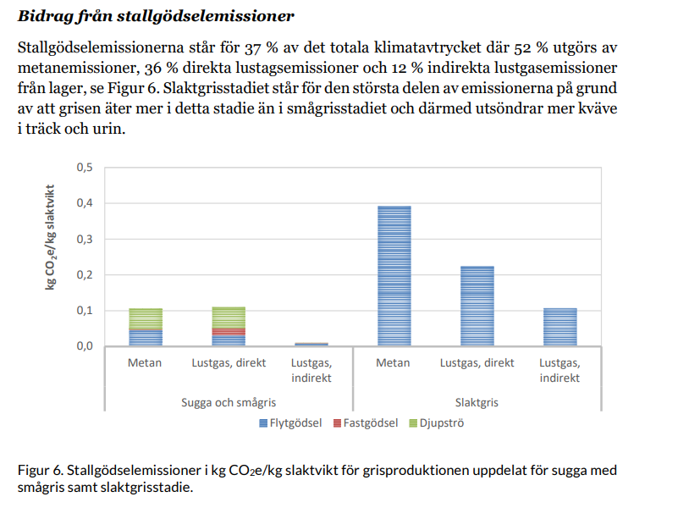
Landquist et al. 2020 has the following emissions from manure:
 | In bonefree weight: |  |  | This study:

 | CH4 | 0.72463768116 |  | 0.28 |  | Explained fully by use of different MCF factors, Landquist used default IPCC (10% for liquid and 39% for deep litter)
 | N2O direct | 0.46376811594 |  | 0.026
 | N2O indirect | 0.17391304348

 | Total: | 1.3623188406

 | Zira et al. 2023

 | Total: | 1.4492753623 |  | Borde vara samma låga metan som jag, alltså mkt mer kväverelaterade utsläpp

 | Landquist et al |  |  |  | This study

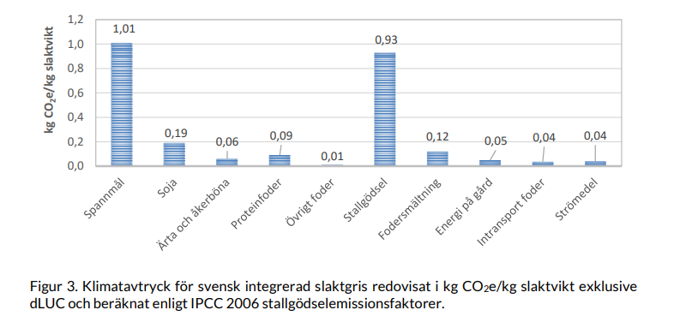
 | Total in bonefree |  | 3.6811594203 |  | 3.85 |  | Lower for manure, but higher for feed due to mostly SOC

